Title

 |  |  |  | Period | Yr -1 | Yr 0 | Yr 1 | Yr 2 | Yr 3 | Yr 4 | Yr 5 | Yr 6 | Yr 7 | Yr 8 | Yr 9 | Yr 10 | Four year ending | Ten year ending | Period FP
 |  | Select Year | 2024 | 2024/25 to 2027/28 | 2022/23 | 2023/24 | 2024/25 | 2025/26 | 2026/27 | 2027/28 | 2028/29 | 2029/30 | 2030/31 | 2031/32 | 2032/33 | 2033/34 | 2028 | 2034 | 2024/25 to 2033/34

Local Government Model
Budget Report
2024-25
Local government victoria

Acknowledgements
Local Government Victoria (LGV) acknowledges the contribution of the Local Government Finance Professionals (FinPro) towards the development of the Local Government Model Budget 2024-25.
Author
Local Government Victoria in the Department of Government Services

 |  | Period | Yr 0 | Yr 1 | Yr 2 | Yr 3 | Yr 4 | Yr 5 | Yr 6 | Yr 7 | Yr 8 | Yr 9 | Yr 10 | Yr -1 | Period
 | 2022 | 2022/23 to 2025/26 | 2021/22 | 2022/23 | 2023/24 | 2024/25 | 2025/26 | 2026/27 | 2027/28 | 2028/29 | 2029/30 | 2030/31 | 2031/32 | 2020/21 | 2022/23 to 2031/32
 | 2023 | 2023/24 to 2026/27 | 2022/23 | 2023/24 | 2024/25 | 2025/26 | 2026/27 | 2027/28 | 2028/29 | 2029/30 | 2030/31 | 2031/32 | 2032/33 | 2021/22 | 2023/24 to 2032/33
 | 2024 | 2024/25 to 2027/28 | 2023/24 | 2024/25 | 2025/26 | 2026/27 | 2027/28 | 2028/29 | 2029/30 | 2030/31 | 2031/32 | 2032/33 | 2033/34 | 2022/23 | 2024/25 to 2033/34
 | 2025 | 2025/26 to 2028/29 | 2024/25 | 2025/26 | 2026/27 | 2027/28 | 2028/29 | 2029/30 | 2030/31 | 2031/32 | 2032/33 | 2033/34 | 2034/35 | 2023/24 | 2025/26 to 2034/35
 | 2026 | 2026/27 to 2029/30 | 2025/26 | 2026/27 | 2027/28 | 2028/29 | 2029/30 | 2030/31 | 2031/32 | 2032/33 | 2033/34 | 2034/35 | 2035/36 | 2024/25 | 2026/27 to 2035/36
 | 2027 | 2027/28 to 2030/31 | 2026/27 | 2027/28 | 2028/29 | 2029/30 | 2030/31 | 2031/32 | 2032/33 | 2033/34 | 2034/35 | 2035/36 | 2036/37 | 2025/26 | 2027/28 to 2036/37
 | 2028 | 2028/29 to 2031/32 | 2027/28 | 2028/29 | 2029/30 | 2030/31 | 2031/32 | 2032/33 | 2033/34 | 2034/35 | 2035/36 | 2036/37 | 2037/38 | 2026/27 | 2028/29 to 2037/38
 | 2029 | 2029/30 to 2032/33 | 2028/29 | 2029/30 | 2030/31 | 2031/32 | 2032/33 | 2033/34 | 2034/35 | 2035/36 | 2036/37 | 2037/38 | 2038/39 | 2027/28 | 2029/30 to 2038/39
 | 2030 | 2030/31 to 2033/34 | 2029/30 | 2030/31 | 2031/32 | 2032/33 | 2033/34 | 2034/35 | 2035/36 | 2036/37 | 2037/38 | 2038/39 | 2039/40 | 2028/29 | 2030/31 to 2039/40
 | 2031 | 2031/32 to 2034/35 | 2030/31 | 2031/32 | 2032/33 | 2033/34 | 2034/35 | 2035/36 | 2036/37 | 2037/38 | 2038/39 | 2039/40 | 2040/41 | 2029/30 | 2031/32 to 2040/41
 | 2032 | 2032/33 to 2035/36 | 2031/32 | 2032/33 | 2033/34 | 2034/35 | 2035/36 | 2036/37 | 2037/38 | 2038/39 | 2039/40 | 2040/41 | 2041/42 | 2030/31 | 2032/33 to 2041/42
 | 2033 | 2033/34 to 2036/37 | 2032/33 | 2033/34 | 2034/35 | 2035/36 | 2036/37 | 2037/38 | 2038/39 | 2039/40 | 2040/41 | 2041/42 | 2042/43 | 2031/32 | 2033/34 to 2042/43
 | 2034 | 2034/35 to 2037/38 | 2033/34 | 2034/35 | 2035/36 | 2036/37 | 2037/38 | 2038/39 | 2039/40 | 2040/41 | 2041/42 | 2042/43 | 2043/44 | 2032/33 | 2034/35 to 2043/44
 | 2035 | 2035/36 to 2038/39 | 2034/35 | 2035/36 | 2036/37 | 2037/38 | 2038/39 | 2039/40 | 2040/41 | 2041/42 | 2042/43 | 2043/44 | 2044/45 | 2033/34 | 2035/36 to 2044/45

1
G2 | 1. Link to the Integrated Strategic Planning and Reporting Framework

 | This section describes how the Budget links to the achievement of the Community Vision and Council Plan within an overall integrated strategic planning and reporting framework. This framework guides the Council in identifying community needs and aspirations over the long term (Community Vision and Financial Plan), medium term (Council Plan, Workforce Plan, and Revenue and Rating Plan) and short term ( Budget) and then holding itself accountable (Annual Report).

G3 | 1.1 Legislative planning and accountability framework

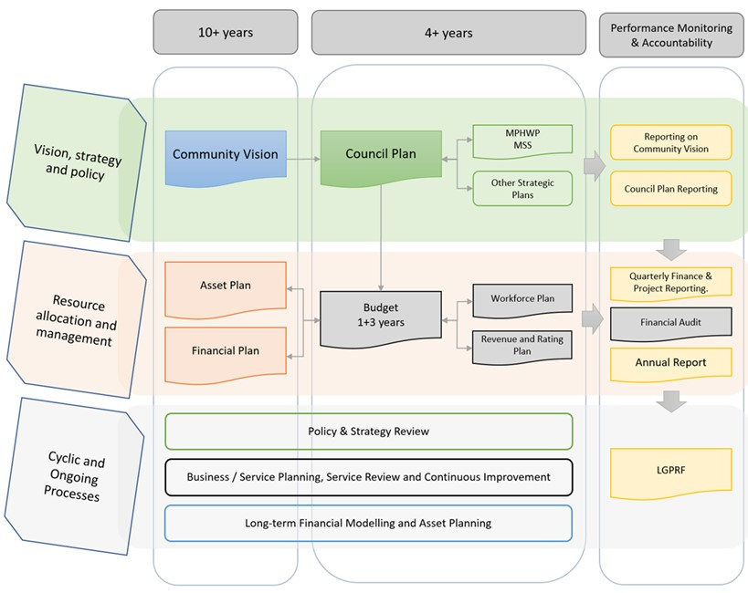
 | The Budget is a rolling four-year plan that outlines the financial and non-financial resources that Council requires to achieve the strategic objectives described in the Council Plan. The diagram below depicts the integrated strategic planning and reporting framework that applies to local government in Victoria. At each stage of the integrated strategic planning and reporting framework there are opportunities for community and stakeholder input. This is important to ensure transparency and accountability to both residents and ratepayers. |  |  | Could alternatively use the below diagram:
 | Source: Department of Jobs, Precincts and Regions |  | 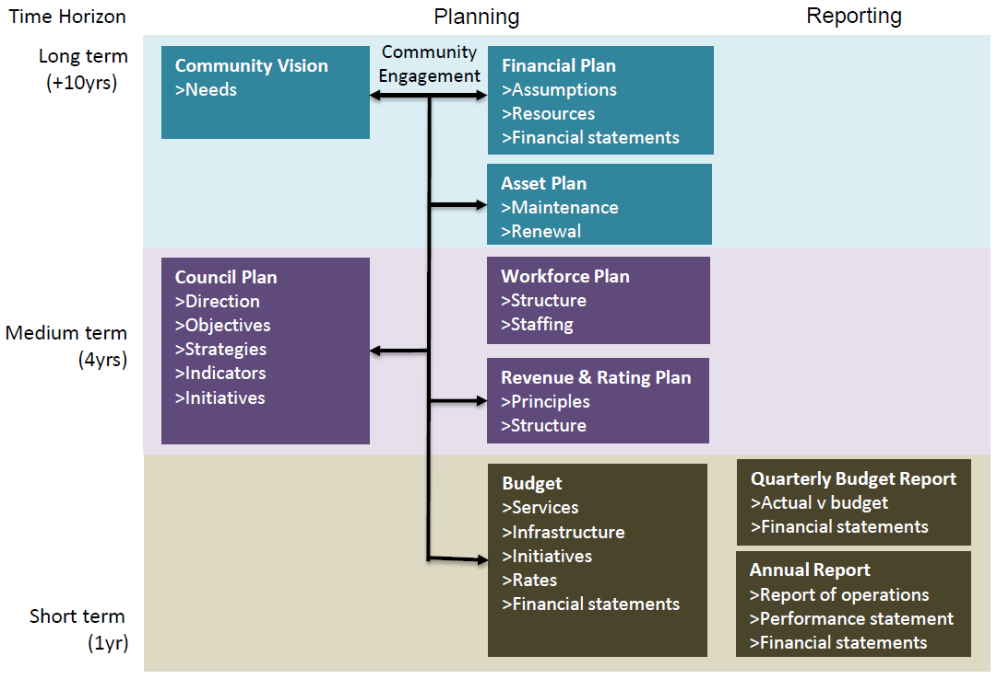

 | The timing of each component of the integrated strategic planning and reporting framework is critical to the successful achievement of the planned outcomes. |  |  | Source: Mark Davies (Financial Professional Solutions)
 | 1.1.2 Key planning considerations
 | Service level planning
 | Although councils have a legal obligation to provide some services— such as animal management, local roads, food safety and statutory planning—most council services are not legally mandated, including some services closely associated with councils, such as libraries, building permits and sporting facilities. Further, over time, the needs and expectations of communities can change. Therefore councils need to have robust processes for service planning and review to ensure all services continue to provide value for money and are in line with community expectations. In doing so, councils should engage with communities to determine how to prioritise resources and balance service provision against other responsibilities such as asset maintenance and capital works. Community consultation needs to be in line with a councils adopted Community Engagement Policy and Public Transparency Policy.

G4 | 1.2 Our purpose

 | Our Vision
 | Insert vision statement

 | Our mission
 | Insert mission statement

 | Our values
 | Insert organisational values

G5 | 1.3 Strategic objectives

 | Insert introduction to Council's strategic objectives
 | Strategic Objective | Description
 | 1 Strategic Objective | Description
 | 2 Strategic Objective | Description

2
G6 | 2. Services and service performance indicators

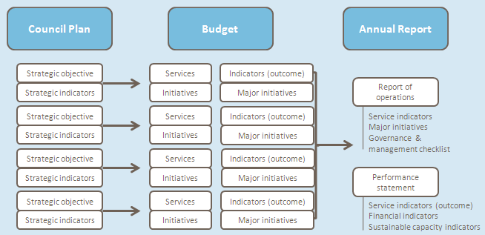
 | This section provides a description of the services and initiatives to be funded in the Budget for the 2024/25 year and how these will contribute to achieving the strategic objectives outlined in the Council Plan. It also describes several initiatives and service performance outcome indicators for key areas of Council’s operations. Council is required by legislation to identify major initiatives, initiatives and service performance outcome indicators in the Budget and report against them in their Annual Report to support transparency and accountability. The relationship between these accountability requirements in the Council Plan, the Budget and the Annual Report is shown below.
 | Source: Department of Jobs, Precincts and Regions

 | 2.1 Strategic Objective 1
 | Insert introduction on how council will be able to achieve <strategic objective 1>

G6 | Services
 | Service area | Description of services provided |  | 2022/23 | 2023/24 | 2024/25
 |  |  |  | Actual | Forecast | Budget
 |  |  |  | $'000 | $'000 | $'000

 | Service area | Describe the services to be provided (Add quantum of services delivered i.e. measures of activity e.g. number of school crossings) | Inc | - | - | -
 |  |  | Exp | - | - | -
 |  |  | Surplus / (deficit) | 0 | 0 | 0
 | Service area | Describe the services to be provided (Add quantum of services delivered i.e. measures of activity e.g. number of school crossings) | Inc | - | - | -
 |  |  | Exp | - | - | -
 |  |  | Surplus / (deficit) | 0 | 0 | 0

G6 | Major Initiatives
 | 1) List Council initiatives to achieve the Strategic Objective
 | 2) List Council initiatives to achieve the Strategic Objective

 | Other Initiatives
 | 3) List Council initiatives to achieve the Strategic Objective
 | 4) List Council initiatives to achieve the Strategic Objective

G7 | Service Performance Outcome Indicators

 | Service | Indicator |  | 2022/23 | 2023/24 | 2024/25
 |  |  |  | Actual | Forecast | Budget
 | Governance* | Consultation and engagement
 | * refer to table at end of section 2.2 for information on the calculation of Service Performance Outcome Indicators

 | 2.2 Strategic Objective 2
 | Insert introduction on how council will be able to achieve <strategic objective 2>

G6 | Services
 | Service area | Description of services provided |  | 2022/23 | 2023/24 | 2024/25
 |  |  |  | Actual | Forecast | Budget
 |  |  |  | $'000 | $'000 | $'000
 | Service area | Describe the services to be provided (Add quantum of services delivered i.e. measures of activity e.g. number of school crossings) | Inc | - | - | -
 |  |  | Exp | - | - | -
 |  |  | Surplus/ (deficit) | 0 | 0 | 0

 | Service area | Describe the services to be provided (Add quantum of services delivered i.e. measures of activity e.g. number of school crossings) | Inc | - | - | -
 |  |  | Exp | - | - | -
 |  |  | Surplus/ (deficit) | 0 | 0 | 0

 | Major Initiatives
 | 1) List Council initiatives to achieve the Strategic Objective
 | 2) List Council initiatives to achieve the Strategic Objective

 | Other Initiatives
 | 3) List Council initiatives to achieve the Strategic Objective
 | 4) List Council initiatives to achieve the Strategic Objective

G7 | Service Performance Outcome Indicators
 | Service | Indicator |  | 2022/23 | 2023/24 | 2024/25
 |  |  |  | Actual | Forecast | Budget
 | Statutory Planning* | Service standard
 | * refer to table at end of section 2.2 for information on the calculation of Service Performance Outcome Indicators

 | Service Performance Outcome Indicators

 | Service | Indicator | Performance Measure |  | Computation
 | Governance | Consultation and engagement | Satisfaction with community consultation and engagement. (Community satisfaction rating out of 100 with the consultation and engagement efforts of Council) |  | Community satisfaction rating out of 100 with how Council has performed on community consultation and engagement
 | Statutory planning | Service standard | Planning applications decided within required timeframes (percentage of regular and VicSmart planning application decisions made within legislated timeframes) |  | [Number of planning application decisions made within 60 days for regular permits and 10 days for VicSmart permits / Number of planning application decisions made] x100
 | Roads | Condition | Sealed local roads below the intervention level (percentage of sealed local roads that are below the renewal intervention level set by Council and not requiring renewal) |  | [Number of kilometres of sealed local roads below the renewal intervention level set by Council / Kilometres of sealed local roads] x100
 | Libraries | Participation | Library membership (Percentage of the population that are registered library members) |  | [Number of registered library members / Population] x100
 | Waste management | Waste diversion | Kerbside collection waste diverted from landfill. (Percentage of recyclables and green organics collected from kerbside bins that is diverted from landfill) |  | [Weight of recyclables and green organics collected from kerbside bins / Weight of garbage, recyclables and green organics collected from kerbside bins] x100
 | Aquatic Facilities | Utilisation | Utilisation of aquatic facilities. (Number of visits to aquatic facilities per head of population) |  | Number of visits to aquatic facilities / Population
 | Animal Management | Health and safety | Animal management prosecutions. (Percentage of animal management prosecutions which are successful) |  | Number of successful animal management prosecutions / Total number of animal management prosecutions
 | Food safety | Health and safety | Critical and major non-compliance outcome notifications. (Percentage of critical and major non-compliance outcome notifications that are followed up by Council) |  | [Number of critical non-compliance outcome notifications and major non-compliance outcome notifications about a food premises followed up / Number of critical non-compliance outcome notifications and major non-compliance outcome notifications about food premises] x100
 | Maternal and Child Health | Participation | Participation in the MCH service. (Percentage of children enrolled who participate in the MCH service) |  | [Number of children who attend the MCH service at least once (in the financial year) / Number of children enrolled in the MCH service] x100
 |  |  | (Percentage of children enrolled who participate in the MCH service)
 |  |  | Participation in the MCH service by Aboriginal children. (Percentage of Aboriginal children enrolled who participate in the MCH service) |  | [Number of Aboriginal children who attend the MCH service at least once (in the financial year) / Number of Aboriginal children enrolled in the MCH service] x100

G8 | 2.3 Reconciliation with budgeted operating result

 |  |  |  | Surplus/ (Deficit) | Expenditure | Income / Revenue

 |  |  |  | $’000 | $’000 | $’000
 | Strategic Objective 1 |  |  | - | - | -
 | Strategic Objective 2 |  |  | - | - | -
 | Strategic Objective 3 |  |  | - | - | -
 | Total |  |  | - | - | -

 | Expenses added in:
 | Depreciation |  |  | -
 | Finance costs |  |  | -
 | Others |  |  | -
 | Surplus/(Deficit) before funding sources |  |  | -
 | Funding sources added in:
 | Rates and charges revenue |  |  | -
 | Waste charge revenue |  |  | -
 | Total funding sources |  |  | -
 | Operating surplus/(deficit) for the year |  |  | -

4.5
 | 4.5 Capital works program

 | This section presents a listing of the capital works projects that will be undertaken for the 2024/25 year, classified by expenditure type and funding source. Works are also disclosed as current budget or carried forward from prior year.

G15 | 4.5.1 Summary

 |  | Forecast Actual | Budget | Change | %
 |  | 2023/24 | 2024/25
 |  | $’000 | $’000 | $’000
 | Property | - | - | - | #DIV/0!
 | Plant and equipment | - | - | - | #DIV/0!
 | Infrastructure | - | - | - | #DIV/0!
 | Total | - | - | - | #DIV/0!

 |  | Project Cost | Asset expenditure types |  |  |  | Summary of Funding Sources
 |  |  | New | Renewal | Upgrade | Expansion | Grants | Contributions | Council cash | Borrowings
 |  | $’000 | $’000 | $’000 | $’000 | $’000 | $’000 | $’000 | $'000 | $'000

 | Property | - | - | - | - | - | - | - | - | -
 | Plant and equipment | - | - | - | - | - | - | - | - | -
 | Infrastructure | - | - | - | - | - | - | - | - | -
 | Total | - | - | - | - | - | - | - | - | -

 | <Add comments here>

 | 4.5.2 Current Budget

G15 |  | Project Cost | Asset expenditure types |  |  |  | Summary of Funding Sources
 | Capital Works Area |  | New | Renewal | Upgrade | Expansion | Grants | Contributions | Council cash | Borrowings
 |  | $’000 | $’000 | $’000 | $’000 | $’000 | $’000 | $’000 | $'000 | $'000
 | PROPERTY
 | Land
 | Insert detailed list | - | - | - | - | - | - | - | - | -
 | Land Improvements
 | Insert detailed list | - | - | - | - | - | - | - | - | -
 | Buildings
 | Insert detailed list | - | - | - | - | - | - | - | - | -
 | Building Improvements
 | Insert detailed list | - | - | - | - | - | - | - | - | -
 | Leasehold Improvements
 | Insert detailed list | - | - | - | - | - | - | - | - | -
 | Heritage buildings
 | Insert detailed list | - | - | - | - | - | - | - | - | -
 | TOTAL PROPERTY | - | - | - | - | - | - | - | - | -

 | PLANT AND EQUIPMENT
 | Plant, Machinery and Equipment
 | Insert detailed list | - | - | - | - | - | - | - | - | -
 | Fixtures, Fittings and Furniture
 | Insert detailed list | - | - | - | - | - | - | - | - | -
 | Computers and Telecommunications
 | Insert detailed list | - | - | - | - | - | - | - | - | -
 | Heritage Plant and Equipment
 | Insert detailed list | - | - | - | - | - | - | - | - | -
 | Library books
 | Insert detailed list | - | - | - | - | - | - | - | - | -
 | TOTAL PLANT AND EQUIPMENT | - | - | - | - | - | - | - | - | -

 | Capital Works Area | Project Cost | Asset expenditure types |  |  |  | Summary of Funding Sources
 |  |  | New | Renewal | Upgrade | Expansion | Grants | Contributions | Council cash | Borrowings
 |  | $’000 | $’000 | $’000 | $’000 | $’000 | $’000 | $’000 | $'000 | $'000
 | INFRASTRUCTURE
 | Roads
 | Insert detailed list | - | - | - | - | - | - | - | - | -
 | Bridges
 | Insert detailed list | - | - | - | - | - | - | - | - | -
 | Footpaths and Cycleways
 | Insert detailed list | - | - | - | - | - | - | - | - | -
 | Drainage
 | Insert detailed list | - | - | - | - | - | - | - | - | -
 | Recreational, Leisure & Community Facilities
 | Insert detailed list | - | - | - | - | - | - | - | - | -
 | Waste Management
 | Insert detailed list | - | - | - | - | - | - | - | - | -
 | Parks, Open Space and Streetscapes
 | Insert detailed list | - | - | - | - | - | - | - | - | -
 | Aerodromes
 | Insert detailed list | - | - | - | - | - | - | - | - | -
 | Off Street Car Parks
 | Insert detailed list | - | - | - | - | - | - | - | - | -
 | Other Infrastructure
 | Insert detailed list | - | - | - | - | - | - | - | - | -
 | TOTAL INFRASTRUCTURE | - | - | - | - | - | - | - | - | -

 | TOTAL NEW CAPITAL WORKS | - | - | - | - | - | - | - | - | -

 | 4.5.3 Works carried forward from the 2023/24 year

 |  | Project Cost | Asset expenditure types |  |  |  | Summary of Funding Sources
 | Capital Works Area |  | New | Renewal | Upgrade | Expansion | Grants | Contributions | Council cash | Borrowings
 |  | $’000 | $’000 | $’000 | $’000 | $’000 | $’000 | $’000 | $'000 | $'000
 | PROPERTY
 | Land
 | Insert detailed list | - | - | - | - | - | - | - | - | -
 | Land Improvements
 | Insert detailed list | - | - | - | - | - | - | - | - | -
 | Buildings
 | Insert detailed list | - | - | - | - | - | - | - | - | -
 | Building Improvements
 | Insert detailed list | - | - | - | - | - | - | - | - | -
 | Leasehold Improvements
 | Insert detailed list | - | - | - | - | - | - | - | - | -
 | Heritage buildings
 | Insert detailed list | - | - | - | - | - | - | - | - | -
 | TOTAL PROPERTY | - | - | - | - | - | - | - | - | -

 | PLANT AND EQUIPMENT
 | Plant, Machinery and Equipment
 | Insert detailed list | - | - | - | - | - | - | - | - | -
 | Fixtures, Fittings and Furniture
 | Insert detailed list | - | - | - | - | - | - | - | - | -
 | Computers and Telecommunications
 | Insert detailed list | - | - | - | - | - | - | - | - | -
 | Heritage Plant and Equipment
 | Insert detailed list | - | - | - | - | - | - | - | - | -
 | Library books
 | Insert detailed list | - | - | - | - | - | - | - | - | -
 | TOTAL PLANT AND EQUIPMENT | - | - | - | - | - | - | - | - | -

 |  | Project Cost | Asset expenditure types |  |  |  | Summary of Funding Sources
 | Capital Works Area |  | New | Renewal | Upgrade | Expansion | Grants | Contributions | Council cash | Borrowings
 |  | $’000 | $’000 | $’000 | $’000 | $’000 | $’000 | $’000 | $'000 | $'000
 | INFRASTRUCTURE
 | Roads
 | Insert detailed list | - | - | - | - | - | - | - | - | -
 | Bridges
 | Insert detailed list | - | - | - | - | - | - | - | - | -
 | Footpaths and Cycleways
 | Insert detailed list | - | - | - | - | - | - | - | - | -
 | Drainage
 | Insert detailed list | - | - | - | - | - | - | - | - | -
 | Recreational, Leisure & Community Facilities
 | Insert detailed list | - | - | - | - | - | - | - | - | -
 | Waste Management
 | Insert detailed list | - | - | - | - | - | - | - | - | -
 | Parks, Open Space and Streetscapes
 | Insert detailed list | - | - | - | - | - | - | - | - | -
 | Aerodromes
 | Insert detailed list | - | - | - | - | - | - | - | - | -
 | Off Street Car Parks
 | Insert detailed list | - | - | - | - | - | - | - | - | -
 | Other Infrastructure
 | Insert detailed list | - | - | - | - | - | - | - | - | -
 | TOTAL INFRASTRUCTURE | - | - | - | - | - | - | - | - | -

 | TOTAL CARRIED FORWARD CAPITAL WORKS 2023/24 | - | - | - | - | - | - | - | - | -

G15

