Title
 |  |  |  | Period | Yr -1 | Yr 0 | Yr 1 | Yr 2 | Yr 3 | Yr 4 | Yr 5 | Yr 6 | Yr 7 | Yr 8 | Yr 9 | Yr 10 | Four year ending | Ten year ending | Period FP
 |  | Select Year | 2026 | 2026/27 to 2029/30 | 2024/25 | 2025/26 | 2026/27 | 2027/28 | 2028/29 | 2029/30 | 2030/31 | 2031/32 | 2032/33 | 2033/34 | 2034/35 | 2035/36 | 2030 | 2036 | 2026/27 to 2035/36

Local Government Model
Budget Report
2026-27
Local government victoria

Acknowledgements
Local Government Victoria (LGV) acknowledges the contribution of the Local Government Finance Professionals (FinPro) towards the development of the Local Government Model Budget 2026-27.
Author
Local Government Victoria in the Department of Government Services

 |  | Period | Yr 0 | Yr 1 | Yr 2 | Yr 3 | Yr 4 | Yr 5 | Yr 6 | Yr 7 | Yr 8 | Yr 9 | Yr 10 | Yr -1 | Period
 | 2022 | 2022/23 to 2025/26 | 2021/22 | 2022/23 | 2023/24 | 2024/25 | 2025/26 | 2026/27 | 2027/28 | 2028/29 | 2029/30 | 2030/31 | 2031/32 | 2020/21 | 2022/23 to 2031/32
 | 2023 | 2023/24 to 2026/27 | 2022/23 | 2023/24 | 2024/25 | 2025/26 | 2026/27 | 2027/28 | 2028/29 | 2029/30 | 2030/31 | 2031/32 | 2032/33 | 2021/22 | 2023/24 to 2032/33
 | 2024 | 2024/25 to 2027/28 | 2023/24 | 2024/25 | 2025/26 | 2026/27 | 2027/28 | 2028/29 | 2029/30 | 2030/31 | 2031/32 | 2032/33 | 2033/34 | 2022/23 | 2024/25 to 2033/34
 | 2025 | 2025/26 to 2028/29 | 2024/25 | 2025/26 | 2026/27 | 2027/28 | 2028/29 | 2029/30 | 2030/31 | 2031/32 | 2032/33 | 2033/34 | 2034/35 | 2023/24 | 2025/26 to 2034/35
 | 2026 | 2026/27 to 2029/30 | 2025/26 | 2026/27 | 2027/28 | 2028/29 | 2029/30 | 2030/31 | 2031/32 | 2032/33 | 2033/34 | 2034/35 | 2035/36 | 2024/25 | 2026/27 to 2035/36
 | 2027 | 2027/28 to 2030/31 | 2026/27 | 2027/28 | 2028/29 | 2029/30 | 2030/31 | 2031/32 | 2032/33 | 2033/34 | 2034/35 | 2035/36 | 2036/37 | 2025/26 | 2027/28 to 2036/37
 | 2028 | 2028/29 to 2031/32 | 2027/28 | 2028/29 | 2029/30 | 2030/31 | 2031/32 | 2032/33 | 2033/34 | 2034/35 | 2035/36 | 2036/37 | 2037/38 | 2026/27 | 2028/29 to 2037/38
 | 2029 | 2029/30 to 2032/33 | 2028/29 | 2029/30 | 2030/31 | 2031/32 | 2032/33 | 2033/34 | 2034/35 | 2035/36 | 2036/37 | 2037/38 | 2038/39 | 2027/28 | 2029/30 to 2038/39
 | 2030 | 2030/31 to 2033/34 | 2029/30 | 2030/31 | 2031/32 | 2032/33 | 2033/34 | 2034/35 | 2035/36 | 2036/37 | 2037/38 | 2038/39 | 2039/40 | 2028/29 | 2030/31 to 2039/40
 | 2031 | 2031/32 to 2034/35 | 2030/31 | 2031/32 | 2032/33 | 2033/34 | 2034/35 | 2035/36 | 2036/37 | 2037/38 | 2038/39 | 2039/40 | 2040/41 | 2029/30 | 2031/32 to 2040/41
 | 2032 | 2032/33 to 2035/36 | 2031/32 | 2032/33 | 2033/34 | 2034/35 | 2035/36 | 2036/37 | 2037/38 | 2038/39 | 2039/40 | 2040/41 | 2041/42 | 2030/31 | 2032/33 to 2041/42
 | 2033 | 2033/34 to 2036/37 | 2032/33 | 2033/34 | 2034/35 | 2035/36 | 2036/37 | 2037/38 | 2038/39 | 2039/40 | 2040/41 | 2041/42 | 2042/43 | 2031/32 | 2033/34 to 2042/43
 | 2034 | 2034/35 to 2037/38 | 2033/34 | 2034/35 | 2035/36 | 2036/37 | 2037/38 | 2038/39 | 2039/40 | 2040/41 | 2041/42 | 2042/43 | 2043/44 | 2032/33 | 2034/35 to 2043/44
 | 2035 | 2035/36 to 2038/39 | 2034/35 | 2035/36 | 2036/37 | 2037/38 | 2038/39 | 2039/40 | 2040/41 | 2041/42 | 2042/43 | 2043/44 | 2044/45 | 2033/34 | 2035/36 to 2044/45

1
G2 | 1. Link to the Integrated Strategic Planning and Reporting Framework

 | This section describes how the Budget links to the achievement of the Community Vision and Council Plan within an overall integrated strategic planning and reporting framework. This framework guides the Council in identifying community needs and aspirations over the long term (Community Vision, Financial Plan and Asset Plan), medium term (Council Plan, Workforce Plan, and Revenue and Rating Plan) and short term ( Budget) and then holding itself accountable (Annual Report).

G3 | 1.1 Legislative planning and accountability framework

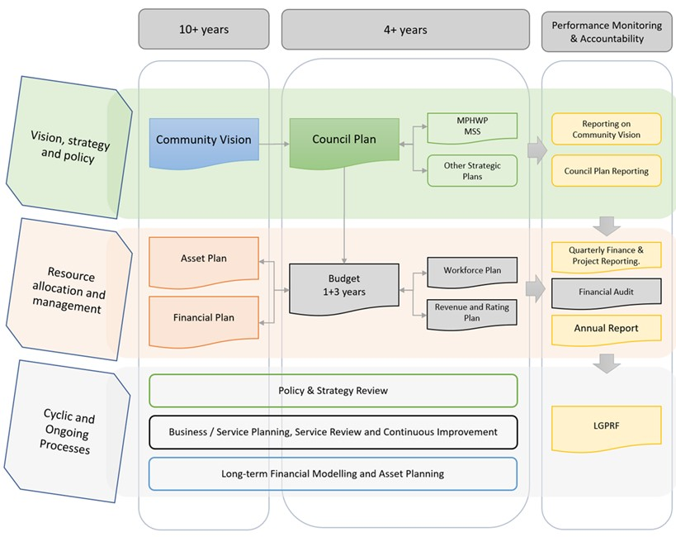
 | The Budget is a rolling four-year plan that outlines the financial and non-financial resources that Council requires to achieve the strategic objectives described in the Council Plan. The diagram below depicts the integrated strategic planning and reporting framework that applies to local government in Victoria. At each stage of the integrated strategic planning and reporting framework there are opportunities for community and stakeholder input. This is important to ensure transparency and accountability to both residents and ratepayers. |  |  | Could alternatively use the below diagram:
 | Source: Department of Government Services |  | 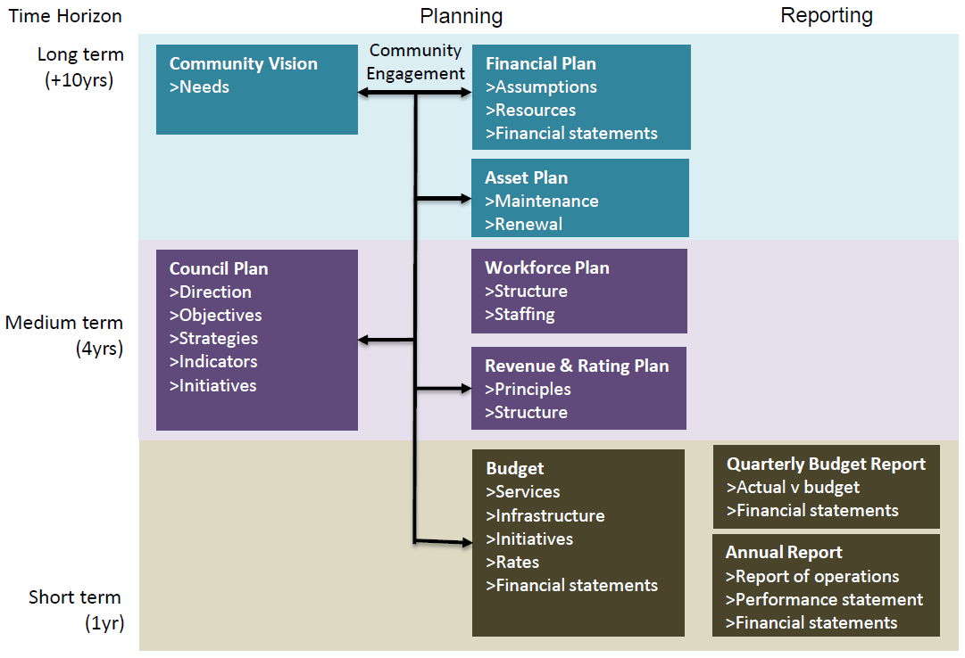

 | The timing of each component of the integrated strategic planning and reporting framework is critical to the successful achievement of the planned outcomes. |  |  | Source: Mark Davies (Financial Professional Solutions)
 | 1.1.2 Key planning considerations
 | Service level planning
 | Although councils have a legal obligation to provide some services— such as animal management, local roads, food safety and statutory planning—most council services are not legally mandated, including some services closely associated with councils, such as libraries, building permits and sporting facilities. Further, over time, the needs and expectations of communities can change. Therefore councils need to have robust processes for service planning and review to ensure all services continue to provide value for money and are in line with community expectations. In doing so, councils should engage with communities to determine how to prioritise resources and balance service provision against other responsibilities such as asset maintenance and capital works. Community consultation needs to be in line with a councils adopted Community Engagement Policy and Public Transparency Policy.

G4 | 1.2 Our purpose

 | Our vision
 | Insert vision statement

 | Our mission
 | Insert mission statement

 | Our values
 | Insert organisational values

G5 | 1.3 Strategic objectives

 | Insert introduction to Council's strategic objectives
 | Strategic Objective | Description
 | 1 Strategic Objective | Description
 | 2 Strategic Objective | Description

2
G6 |  | 2. Services and service performance indicators

 |  | This section provides a description of the services and initiatives to be funded in the Budget for the 2026/27 year and how these will contribute to achieving the strategic objectives outlined in the Council Plan. It also describes several initiatives and service performance outcome indicators for key areas of Council’s operations. Council is required by legislation to identify major initiatives, initiatives and service performance outcome indicators in the Budget and report against them in their Annual Report to support transparency and accountability. The relationship between these accountability requirements in the Council Plan, the Budget and the Annual Report is shown below.
 | 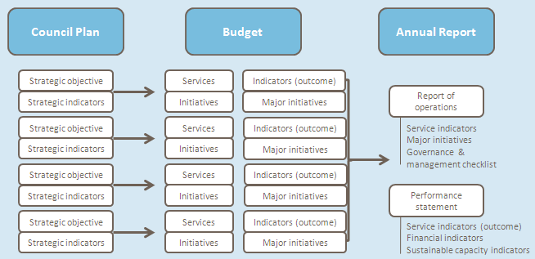 | Source: Department of Government Services

 |  | 2.1 Strategic objective 1
 |  | Insert introduction on how council will be able to achieve <strategic objective 1>

G6 |  | Services
 |  | Service area | Description of services provided |  | 2024/25 | 2025/26 | 2026/27
 |  |  |  |  | Actual | Forecast | Budget
 |  |  |  |  | $'000 | $'000 | $'000

 |  | Service area | Describe the services to be provided (Add quantum of services delivered i.e. measures of activity e.g. number of school crossings) | Inc | - | - | -
 |  |  |  | Exp | - | - | -
 |  |  |  | Surplus / (deficit) | 0 | 0 | 0
 |  | Service area | Describe the services to be provided (Add quantum of services delivered i.e. measures of activity e.g. number of school crossings) | Inc | - | - | -
 |  |  |  | Exp | - | - | -
 |  |  |  | Surplus / (deficit) | 0 | 0 | 0

G6 |  | Major initiatives
 |  | 1) List Council initiatives to achieve the strategic objective
 |  | 2) List Council initiatives to achieve the strategic objective

 |  | Other initiatives
 |  | 3) List Council initiatives to achieve the strategic objective
 |  | 4) List Council initiatives to achieve the strategic objective

G7 |  | Service performance outcome indicators

 |  | Domain | Indicator |  | 2024/25 | 2025/26 | 2026/27
 |  |  |  |  | Actual | Forecast | Budget
 |  | Governance* | Community engagement
 |  | * refer to table at end of section 2.2 for information on the calculation of Service performance outcome indicators

 |  | 2.2 Strategic objective 2
 |  | Insert introduction on how council will be able to achieve <strategic objective 2>

G6 |  | Services
 |  | Service area | Description of services provided |  | 2024/25 | 2025/26 | 2026/27
 |  |  |  |  | Actual | Forecast | Budget
 |  |  |  |  | $'000 | $'000 | $'000
 |  | Service area | Describe the services to be provided (Add quantum of services delivered i.e. measures of activity e.g. number of school crossings) | Inc | - | - | -
 |  |  |  | Exp | - | - | -
 |  |  |  | Surplus/ (deficit) | 0 | 0 | 0

 |  | Service area | Describe the services to be provided (Add quantum of services delivered i.e. measures of activity e.g. number of school crossings) | Inc | - | - | -
 |  |  |  | Exp | - | - | -
 |  |  |  | Surplus/ (deficit) | 0 | 0 | 0

 |  | Major initiatives
 |  | 1) List Council initiatives to achieve the strategic objective
 |  | 2) List Council initiatives to achieve the strategic objective

 |  | Other initiatives
 |  | 3) List Council initiatives to achieve the strategic objective
 |  | 4) List Council initiatives to achieve the strategic objective

G7 |  | Service performance outcome indicators
 |  | Domain | Indicator |  | 2024/25 | 2025/26 | 2026/27
 |  |  |  |  | Actual | Forecast | Budget
 |  | Responsiveness* | Statutory planning
 |  | * refer to table at end of section 2.2 for information on the calculation of Service performance outcome indicators

 |  | Service performance outcome indicators

 |  | Domain | Indicator | Performance Measure |  | Computation
 |  | Governance | Community engagement | Satisfaction with the opportunities offered by Council to be consulted on or engaged in Council decisions (community satisfaction rating out of 100 with the consultation and engagement efforts of Council) |  | Community satisfaction rating out of 100 with how Council has performed on community consultation and engagement
 |  |  | Financial decisions | Total unpaid rates and charges (total unpaid rates and charges and unpaid interest on rates and charges for all financial years as a percentage of all rates and charges for the financial year) |  | [Sum of unpaid rates and charges and unpaid interest on rates and charges for all financial years / Sum of all rates and charges for the financial year] x100
 |  | Community | Library services | Library membership (Percentage of the population that are registered library members) |  | [Number of registered library members / Population] x100
 |  |  | Maternal and child health services | Participation in the MCH service (Percentage of children enrolled who participate in the MCH service) |  | [Number of children who attend the MCH service at least once (in the financial year) / Number of children enrolled in the MCH service] x100
...

4.5
...
G15

